24"_test02
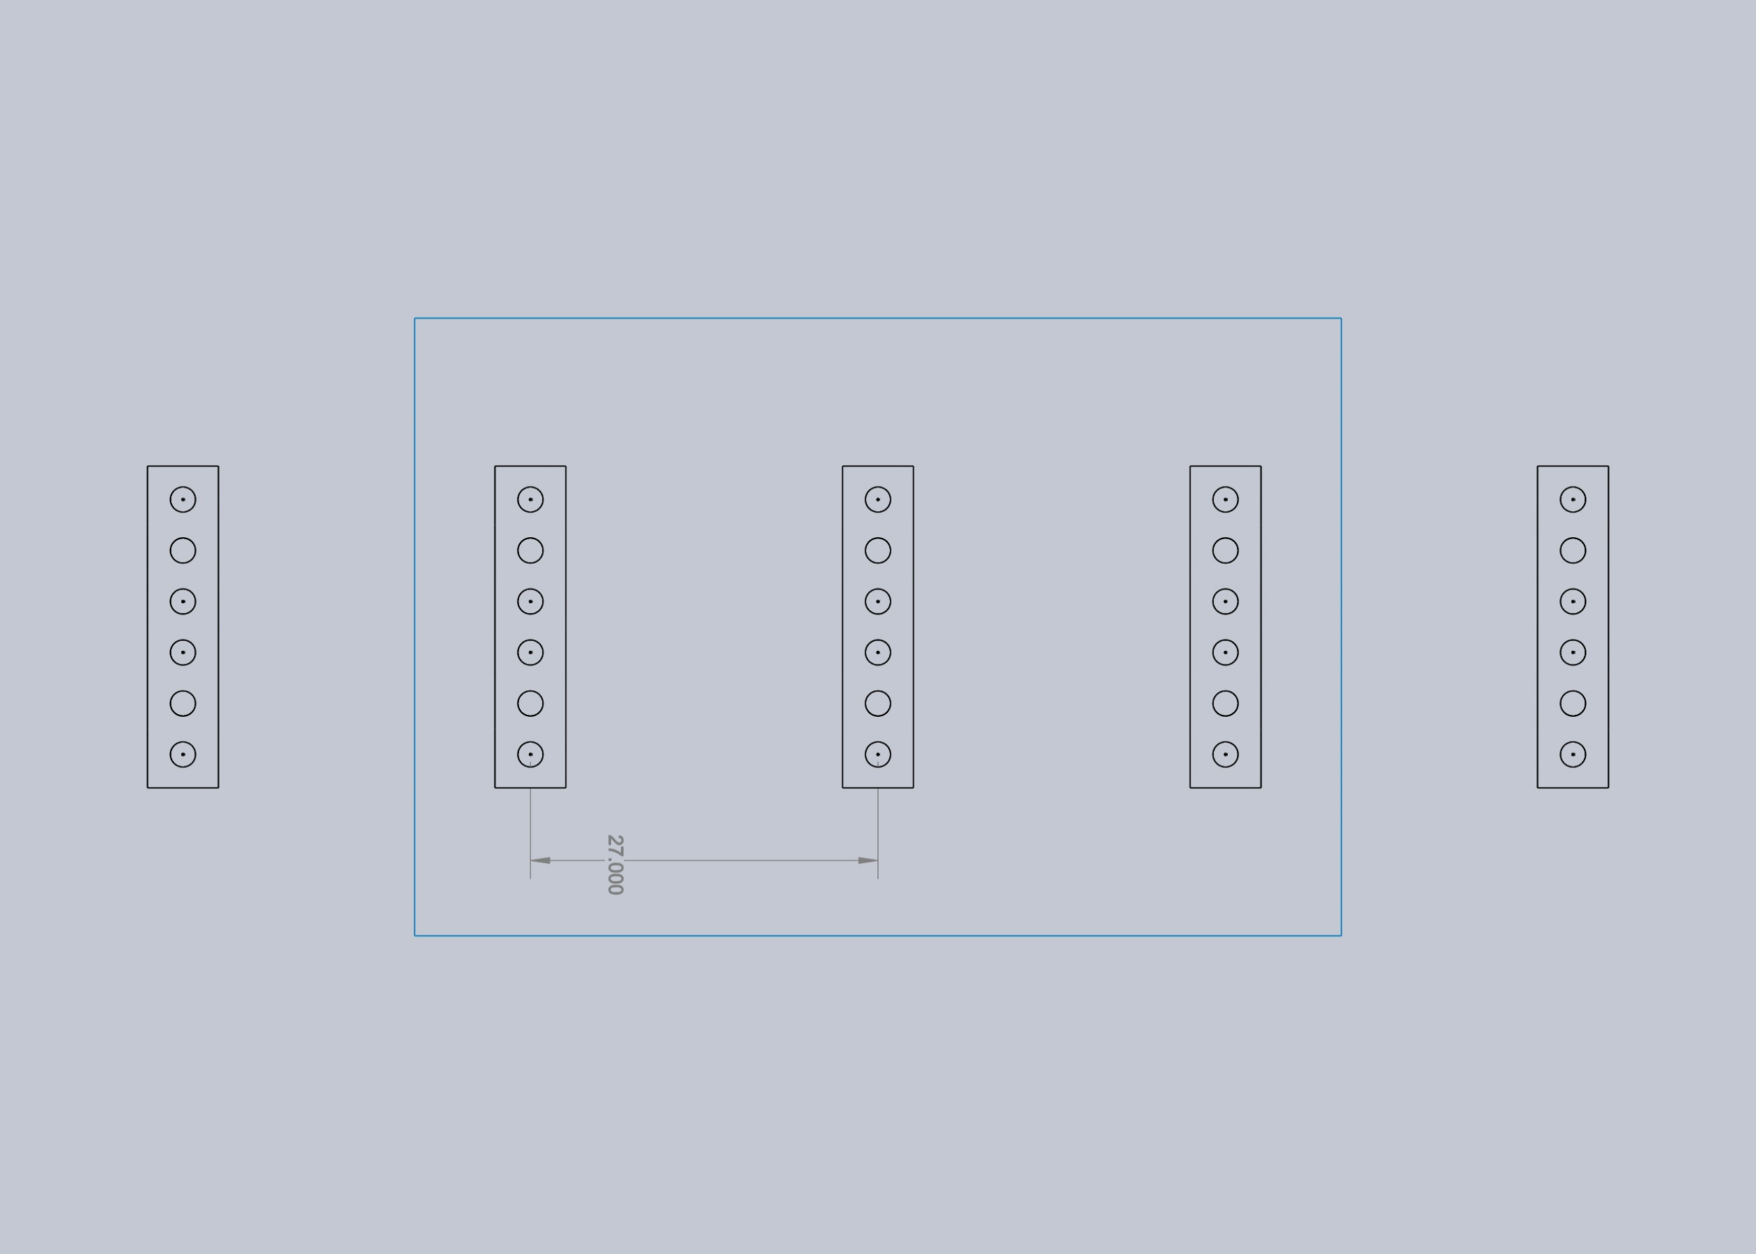
Target Wall, Simulation |  |  |  | MAX | 2,229.17
4'x6' Illiumination Plane |  |  |  | MIN | 1,100.61
Khatod 1825 square optic |  |  |  | AVG | 1,696.65
24" fixtures, 4COB's on each
5x fixtures, placed horizontally 27" apart on center

675.066 | 740.622 | 687.319 | 654.936 | 705.223 | 733.581 | 716.123 | 677.323 | 696.318 | 723.565 | 735.843 | 683.996
1,216.37 | 1,262.40 | 1,256.09 | 1,174.53 | 1,293.40 | 1,271.93 | 1,322.75 | 1,263.39 | 1,249.44 | 1,262.05 | 1,269.12 | 1,227.35
1,741.03 | 1,813.24 | 1,872.92 | 1,668.32 | 1,814.44 | 1,839.03 | 1,856.79 | 1,796.83 | 1,714.61 | 1,796.97 | 1,751.57 | 1,790.53
2,159.59 | 2,118.05 | 2,116.90 | 2,096.74 | 2,065.29 | 2,127.96 | 2,229.17 | 2,074.73 | 2,030.45 | 2,151.83 | 2,180.57 | 2,171.13
2,011.81 | 2,093.60 | 2,064.34 | 2,090.85 | 2,154.76 | 2,220.24 | 2,152.31 | 2,069.46 | 2,056.92 | 2,169.53 | 2,170.82 | 2,057.72
1,763.83 | 1,769.53 | 1,704.89 | 1,684.32 | 1,708.17 | 1,766.53 | 1,816.94 | 1,781.33 | 1,681.01 | 1,737.29 | 1,675.36 | 1,685.16
1,220.40 | 1,152.18 | 1,100.61 | 1,153.63 | 1,141.95 | 1,136.91 | 1,209.51 | 1,196.84 | 1,137.48 | 1,208.30 | 1,174.64 | 1,192.43
674.941 | 612.033 | 679.046 | 623.86 | 635.65 | 707.238 | 712.886 | 665.854 | 596.311 | 692.398 | 664.863 | 636.647

24"_test03
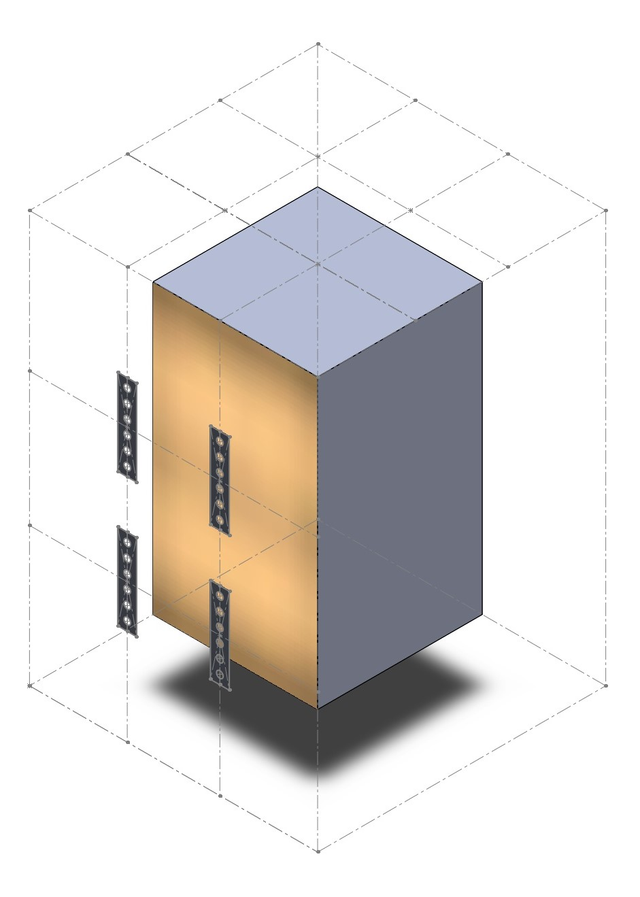
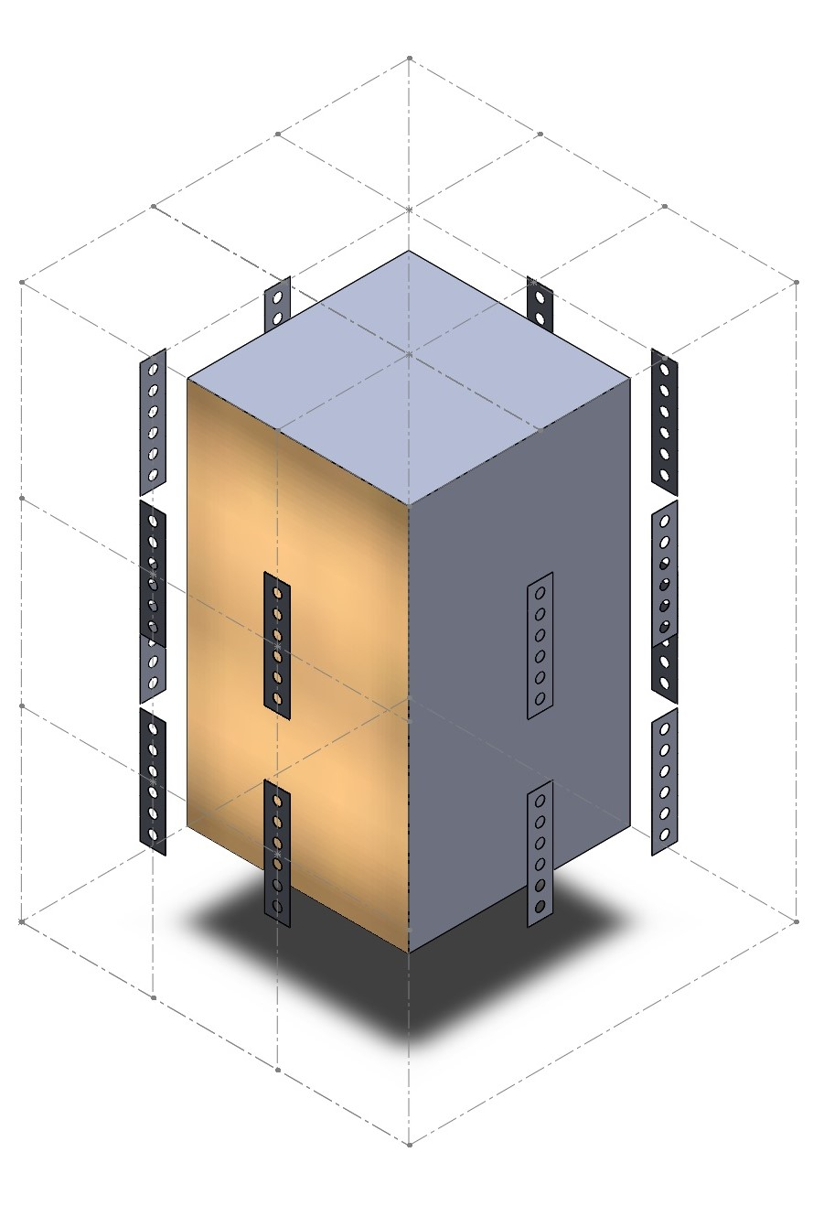
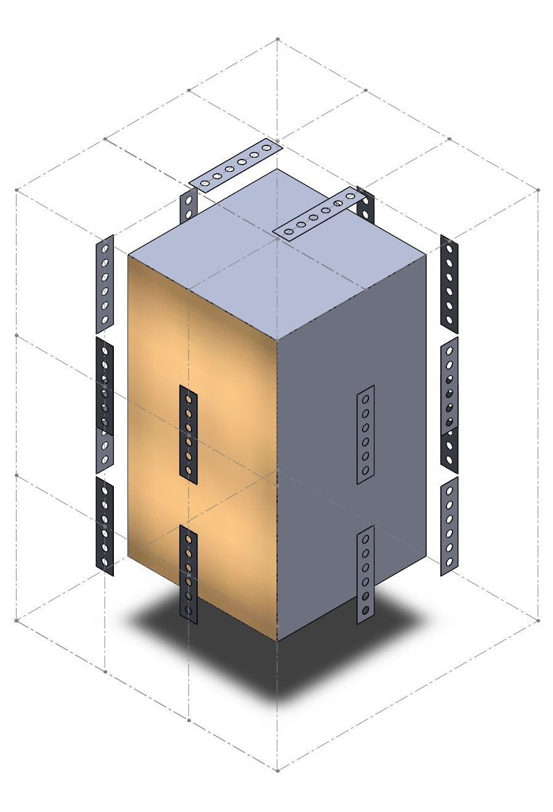
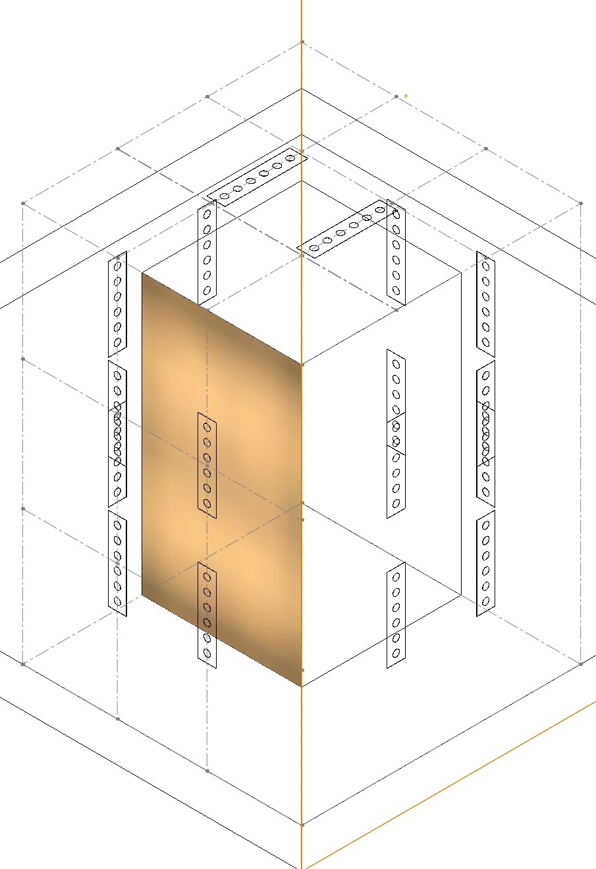
Target Tree, Simulation
4' x 4' x 7' Rectangle, representing tree
Khatod 1825 square optic
24" fixtures, 4COB's on each
Fixtures mounted on wall 18" from "tree", separated 2.25' horizontally and 3.25' vertically

A: SINGLE WALL OF 4 FIXTURES |  |  |  |  |  |  |  | B: 4 WALLS OF 4 FIXTURES |  |  |  |  |  |  |  | C: 4 WALLS OF 4 FIXTURES AND 2 CEILING FIXTURES |  |  |  |  |  |  |  | D: 1 WALL OF 4 FIXTURES (A) CONTAINED INSIDE OF MOCK STRUCTURE, WITH PHOTOPIA MATERIAL "White Rubber" |  |  |  |  |  |  |  | E: 4 WALLS OF 4 FIXTURES AND 2 CEILING (C) CONTAINED INSIDE OF MOCK STRUCTURE, WITH PHOTOPIA MATERIAL "White Rubber" |  |  |  |  |  |  |  | F. PERCENT INCREASE BETWEEN E AND A

660 | 817 | 841 | 783 | 797 | 898 | 821 | 634 | 713 | 816 | 871 | 808 | 790 | 867 | 741 | 659 | 524 | 737 | 966 | 904 | 838 | 990 | 999 | 430 | 702 | 872 | 847 | 825 | 809 | 877 | 873 | 700 | 1093 | 1296 | 1320 | 1411 | 1347 | 1357 | 1457 | 1219 | 66 | 59 | 57 | 80 | 69 | 51 | 77 | 92 | AVG | 45
1090 | 1339 | 1360 | 1319 | 1345 | 1372 | 1290 | 1116 | 1032 | 1452 | 1405 | 1345 | 1288 | 1391 | 1287 | 1172 | 1281 | 1323 | 1631 | 1628 | 1339 | 1465 | 1293 | 1159 | 1125 | 1358 | 1424 | 1339 | 1358 | 1406 | 1401 | 1192 | 1377 | 1893 | 1938 | 1899 | 1797 | 2193 | 2075 | 1875 | 26 | 41 | 43 | 44 | 34 | 60 | 61 | 68
1539 | 1783 | 1925 | 1944 | 1887 | 1981 | 1884 | 1490 | 1578 | 1802 | 1957 | 1862 | 1829 | 1896 | 1956 | 1531 | 1297 | 1854 | 2010 | 1762 | 1895 | 1793 | 1750 | 1394 | 1523 | 1796 | 2058 | 1955 | 1883 | 1948 | 1951 | 1586 | 2189 | 2484 | 2414 | 2561 | 2663 | 2481 | 2462 | 2472 | 42 | 39 | 25 | 32 | 41 | 25 | 31 | 66
1747 | 2042 | 2268 | 2173 | 2115 | 2237 | 2079 | 1688 | 1699 | 2163 | 2109 | 2222 | 2179 | 2193 | 2002 | 1700 | 1352 | 2200 | 2142 | 2309 | 2381 | 2327 | 2141 | 1570 | 1782 | 2164 | 2230 | 2269 | 2146 | 2248 | 2101 | 1749 | 2935 | 3004 | 2873 | 2953 | 2986 | 2901 | 3236 | 2402 | 68 | 47 | 27 | 36 | 41 | 30 | 56 | 42
1694 | 1969 | 2104 | 2043 | 2081 | 2114 | 2008 | 1705 | 1711 | 2015 | 2207 | 2154 | 2202 | 2132 | 1896 | 1721 | 1591 | 2004 | 2089 | 1878 | 2260 | 2492 | 1508 | 1656 | 1713 | 2113 | 2183 | 2216 | 2121 | 2176 | 2077 | 1778 | 2693 | 2720 | 2868 | 2730 | 2507 | 2793 | 2789 | 2232 | 59 | 38 | 36 | 34 | 21 | 32 | 39 | 31
1422 | 1820 | 1885 | 1835 | 1761 | 1873 | 1788 | 1508 | 1456 | 1744 | 1888 | 1740 | 1777 | 1765 | 1697 | 1438 | 1526 | 1630 | 1726 | 1824 | 1925 | 1961 | 1839 | 1443 | 1560 | 1850 | 1930 | 1836 | 1797 | 1965 | 1851 | 1501 | 2123 | 2732 | 3045 | 2758 | 2642 | 2591 | 2714 | 2202 | 49 | 50 | 62 | 50 | 50 | 38 | 52 | 46
1278 | 1664 | 1689 | 1604 | 1617 | 1675 | 1627 | 1392 | 1339 | 1559 | 1657 | 1447 | 1633 | 1667 | 1579 | 1242 | 1615 | 1292 | 1659 | 1419 | 1761 | 1869 | 1299 | 1444 | 1340 | 1649 | 1701 | 1645 | 1650 | 1696 | 1699 | 1256 | 1895 | 2275 | 2483 | 2120 | 2534 | 2540 | 2547 | 1762 | 48 | 37 | 47 | 32 | 57 | 52 | 57 | 27
1254 | 1591 | 1604 | 1600 | 1585 | 1678 | 1618 | 1274 | 1396 | 1717 | 1573 | 1682 | 1727 | 1687 | 1433 | 1281 | 1301 | 1580 | 1548 | 1721 | 1676 | 1738 | 1490 | 1607 | 1293 | 1648 | 1777 | 1617 | 1650 | 1692 | 1653 | 1281 | 2209 | 2424 | 2862 | 2372 | 2230 | 2337 | 2414 | 2028 | 76 | 52 | 78 | 48 | 41 | 39 | 49 | 59
1501 | 1830 | 1927 | 1824 | 1886 | 1878 | 1862 | 1518 | 1622 | 1834 | 1769 | 1867 | 1910 | 1883 | 1826 | 1578 | 1327 | 1696 | 2008 | 1672 | 1874 | 1845 | 2010 | 1410 | 1537 | 1923 | 1966 | 1840 | 1957 | 1869 | 1838 | 1549 | 2052 | 2767 | 2626 | 2506 | 2615 | 2805 | 2632 | 2074 | 37 | 51 | 36 | 37 | 39 | 49 | 41 | 37
1736 | 2094 | 2183 | 2211 | 2188 | 2161 | 2077 | 1670 | 1606 | 2029 | 2122 | 2068 | 2143 | 2073 | 2151 | 1745 | 1639 | 2126 | 2332 | 2135 | 2242 | 2464 | 2306 | 1692 | 1765 | 2099 | 2195 | 2175 | 2146 | 2224 | 2115 | 1748 | 2126 | 2189 | 2779 | 2591 | 2736 | 2814 | 2885 | 2513 | 22 | 5 | 27 | 17 | 25 | 30 | 39 | 50
1738 | 2081 | 2184 | 2222 | 2100 | 2099 | 2060 | 1619 | 1647 | 2123 | 2271 | 2143 | 2014 | 2232 | 2101 | 1641 | 1691 | 1989 | 2247 | 2293 | 1919 | 2154 | 1981 | 1499 | 1787 | 2145 | 2196 | 2176 | 2171 | 2253 | 2092 | 1792 | 2356 | 2682 | 3027 | 2877 | 2865 | 3188 | 2593 | 2199 | 36 | 29 | 39 | 29 | 36 | 52 | 26 | 36
1559 | 1800 | 1838 | 1849 | 1833 | 1795 | 1768 | 1496 | 1453 | 1720 | 1937 | 1893 | 1734 | 1961 | 1713 | 1471 | 1670 | 1877 | 1942 | 1848 | 1512 | 1863 | 1856 | 1517 | 1522 | 1836 | 1825 | 1785 | 1864 | 1914 | 1796 | 1529 | 1917 | 2475 | 2271 | 2379 | 2599 | 2616 | 2557 | 2298 | 23 | 37 | 24 | 29 | 42 | 46 | 45 | 54
1020 | 1240 | 1346 | 1235 | 1327 | 1333 | 1249 | 1038 | 1018 | 1243 | 1385 | 1361 | 1355 | 1331 | 1346 | 1196 | 1040 | 1096 | 1383 | 1273 | 1128 | 1153 | 1518 | 1083 | 1113 | 1359 | 1433 | 1365 | 1353 | 1441 | 1297 | 1020 | 1277 | 1704 | 1976 | 2077 | 1995 | 2098 | 1715 | 1686 | 25 | 37 | 47 | 68 | 50 | 57 | 37 | 62
626 | 748 | 822 | 789 | 761 | 805 | 794 | 626 | 644 | 776 | 724 | 723 | 743 | 833 | 723 | 560 | 572 | 726 | 881 | 887 | 817 | 682 | 717 | 593 | 647 | 832 | 818 | 794 | 788 | 835 | 798 | 702 | 1279 | 1305 | 1190 | 1358 | 1213 | 1219 | 1182 | 970 | 104 | 74 | 45 | 72 | 59 | 51 | 49 | 55

12"_4x COB test01
2018-03-07
Target Wall, Warehouse |  |  |  | MAX | 1,470.20
4'x6' Illiumination Plane |  |  |  | MIN | 7.97
Khatod 1825 round optic |  |  |  | AVG | 479.52
4x COB design, as displayed in image, 18" from target wall

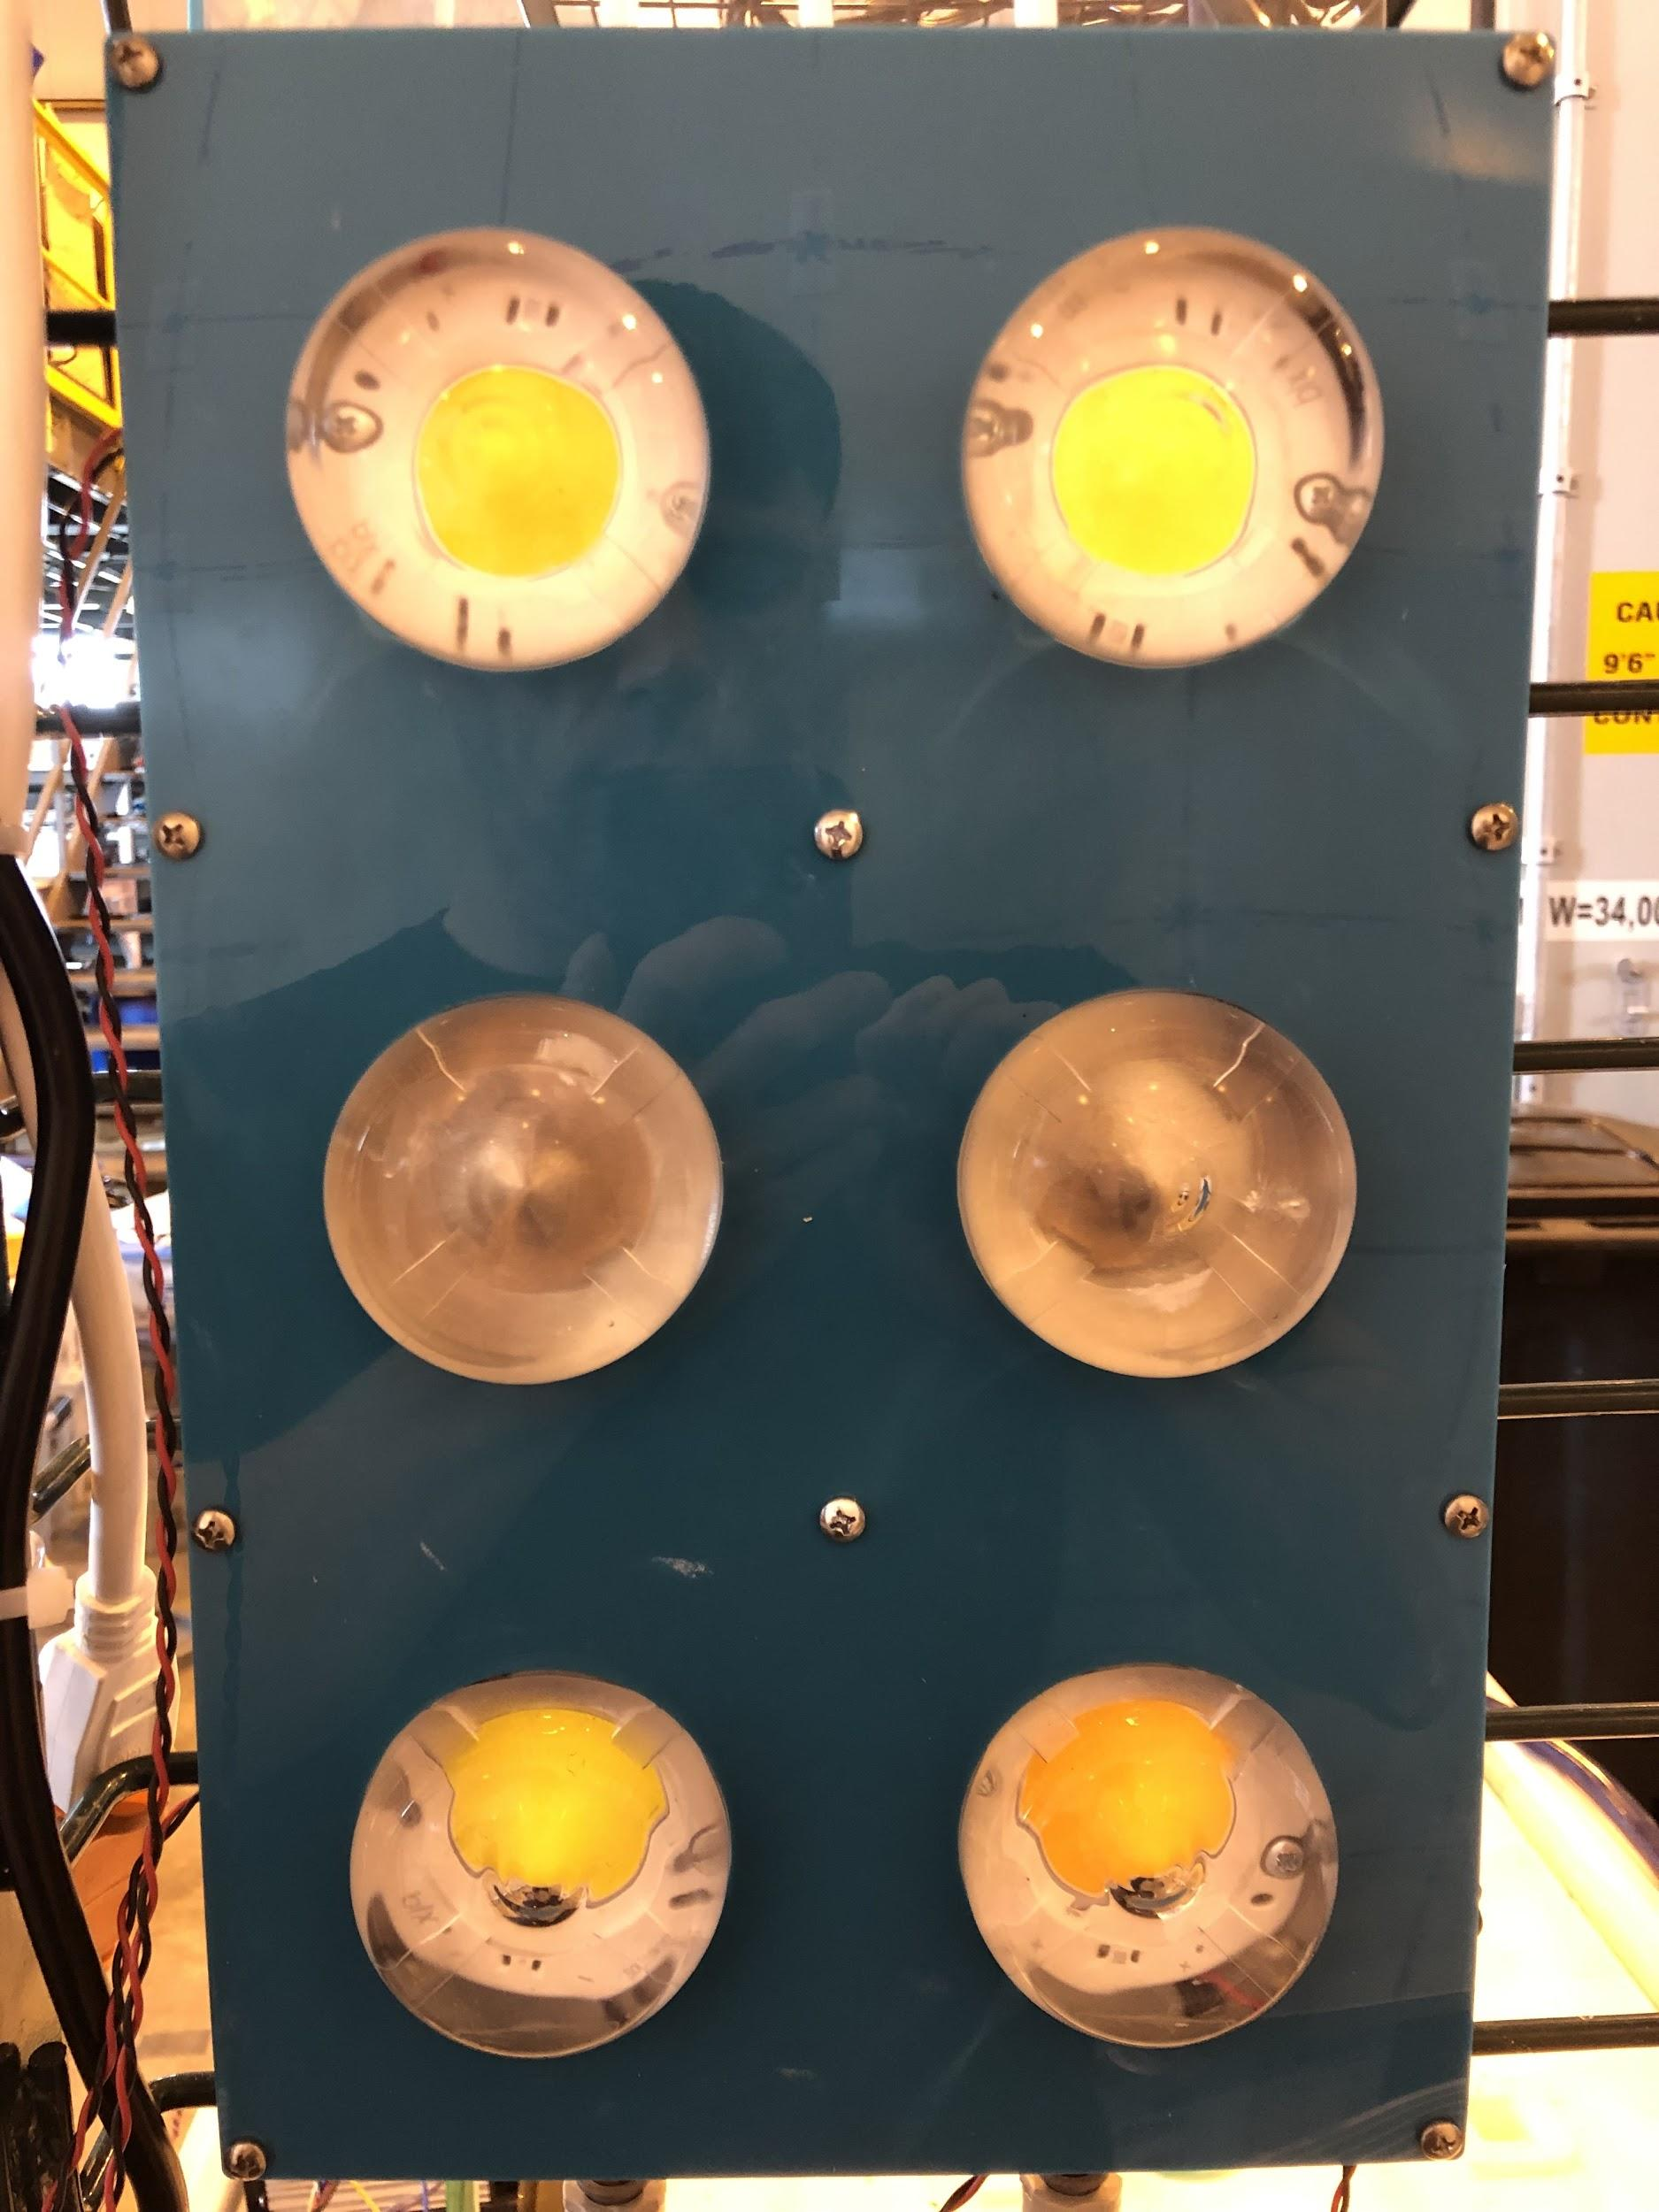
9 | 13 | 37 | 155 | 417 | 593 | 446 | 193 | 55 | 17 | 12
11 | 18 | 128 | 575 | 1171 | 1262 | 1181 | 689 | 146 | 30 | 17
10 | 30 | 258 | 1060 | 1403 | 1448 | 1377 | 1126 | 328 | 49 | 17
10 | 41 | 314 | 1213 | 1469 | 1470 | 1462 | 1243 | 450 | 70 | 17
12 | 38 | 264 | 1045 | 1394 | 1430 | 1400 | 1096 | 386 | 62 | 17
10 | 30 | 172 | 623 | 1116 | 1200 | 1141 | 710 | 200 | 46 | 15
8 | 12 | 71 | 247 | 531 | 682 | 550 | 261 | 78 | 22 | 12

Target Wall, Simulation |  |  |  | MAX | 1,878.12
4'x6' Illiumination Plane |  |  |  | MIN | 15.89
Khatod 1825 round optic |  |  |  | AVG | 498.13
4x COB design,18" from target wall

17 | 45 | 125 | 268 | 440 | 512 | 434 | 267 | 117 | 43 | 17
27 | 87 | 260 | 575 | 940 | 1096 | 939 | 578 | 246 | 85 | 27
39 | 133 | 411 | 926 | 1456 | 1644 | 1467 | 918 | 404 | 132 | 40
44 | 157 | 479 | 1089 | 1678 | 1878 | 1697 | 1096 | 478 | 154 | 45
39 | 134 | 402 | 925 | 1450 | 1658 | 1469 | 948 | 407 | 134 | 39
26 | 87 | 250 | 573 | 967 | 1099 | 945 | 589 | 265 | 92 | 27
16 | 45 | 122 | 269 | 444 | 523 | 456 | 266 | 123 | 44 | 16

